Tracker


Date | Bookie | Bet Type | Event | Selection | Back Odds | Lay Odds | Back Stake | Lay Stake | Lay Commission | Result "W/L/P" | P/L | Total P/L
 |  |  | Do Not Enter Data In | This Row | - | - | - | - |  | - | 0.00 | 0.00
 |  |  |  |  |  |  |  |  |  |  | 0.00 | #N/A
 |  |  |  |  |  |  |  |  |  |  | 0.00 | #N/A
 |  |  |  |  |  |  |  |  |  |  | 0.00 | #N/A
 |  |  |  |  |  |  |  |  |  |  | 0.00 | #N/A
 |  |  |  |  |  |  |  |  |  |  | 0.00 | #N/A
 |  |  |  |  |  |  |  |  |  |  | 0.00 | #N/A
 |  |  |  |  |  |  |  |  |  |  | 0.00 | #N/A
 |  |  |  |  |  |  |  |  |  |  | 0.00 | #N/A
 |  |  |  |  |  |  |  |  |  |  | 0.00 | #N/A
 |  |  |  |  |  |  |  |  |  |  | 0.00 | #N/A
 |  |  |  |  |  |  |  |  |  |  | 0.00 | #N/A
 |  |  |  |  |  |  |  |  |  |  | 0.00 | #N/A
 |  |  |  |  |  |  |  |  |  |  | 0.00 | #N/A
 |  |  |  |  |  |  |  |  |  |  | 0.00 | #N/A
 |  |  |  |  |  |  |  |  |  |  | 0.00 | #N/A
 |  |  |  |  |  |  |  |  |  |  | 0.00 | #N/A
 |  |  |  |  |  |  |  |  |  |  | 0.00 | #N/A
 |  |  |  |  |  |  |  |  |  |  | 0.00 | #N/A
 |  |  |  |  |  |  |  |  |  |  | 0.00 | #N/A
 |  |  |  |  |  |  |  |  |  |  | 0.00 | #N/A
 |  |  |  |  |  |  |  |  |  |  | 0.00 | #N/A
 |  |  | DO NOT ADD ROWS | BELOW THIS ONE | - | - | - | -

Help
Below is an explanation of the different features of the BetTracker spreadsheet and how to use them.
If you have any questions or feedback regarding the spreadsheet please post them in the BetTracker thread at www.bonusbank.com.au/forums

Explanation of Columns

Date | You can use either the date that you place the bet or the date that the event takes place (usually the same date anyway). Whichever option you choose, make it consistent throughout.

Bookie | Choose the bookie from the dropdown menu

Bet Type | This is another dropdown. We have explained the different bet types in more detail below

Event | The event that you are betting on

Selection | The outcome that you are backing at the bookie

Back Odds | The bookmaker back odds

Back Stake | The amount you are betting

Lay Odds | The Betfair lay odds for your selection

Lay Stake | The amount you are laying (you can calculate this at www.bonusbank.com.au/calculator)

Lay Commission | Your Betfair commission rate (Default is 5% for non-horse racing markets)

Result "W/L/P" | The outcome of your back bet. Enter W is it wins, L if it loses, or P if it is a push (A push is when a bet is refunded to you because it neither wins nor loses, it can happen in certain handicap markets

P/L | Your profit or loss on that specific bet. Losses will display in red. This is automatically calculated so you do not need to enter anything here.

Total P/L | Your cumulatitive profit/loss from all of your bets. This is also calculated automatically

Explanation of Rows

Top Row | This row is included so that your profit graph starts at zero. Do not edit this row.

Bottom Row | Keep this row at the bottom. Any data entered below it will not appear on you profit graph.

Adding Rows | Highlight one or more empty rows, that are above the bottom row, then right-click and choose insert

Bet Types

Bonus Bet SNR | Bonus bets where the stake is not returned with any winnings

Bonus Credit | This is for stake returned bonuses. You should add the bonus to your profit using the method below and then select 'Wagering Bet' for any bets placed using the bonus.

 | To add bonus credit enter back odds of 2.00. Your back stake should be equal to the bonus amount. Select 'W' in the result column. Your profit should then equal the bonus amount.

Qualifying Bet | A bet placed to qualify for a sign-up offer or an existing customer promo

Wagering Bet | A bet made in order to complete a wagering requirement

Enhanced Odds | A bet made at promotional odds. Arbitrage bets found using the bonusbank ATM could also fall into this category.

Punt | A bet that is unrelated to any bonus or promo`

Graph

Your graph will auto-populate with the data from your table. You do not have to do anything here.

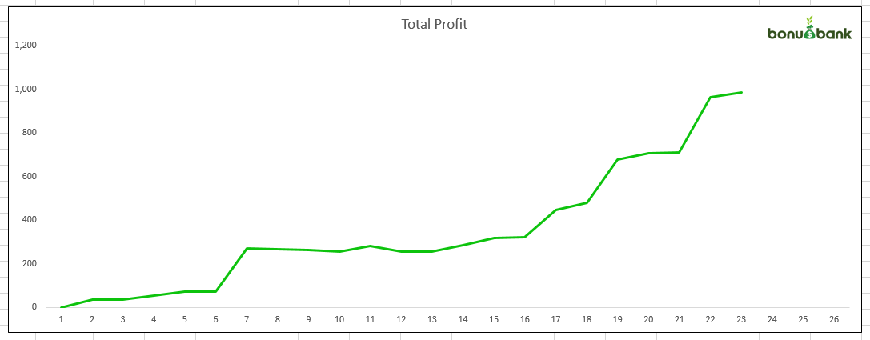

Advanced

Adding bookies or bet types |  | There is a hidden data page that has all of the info for the dropdown menus. To access it, right-click on any of the page tabs at the buttom and select 'Unhide'. Once you add the data you may also have to edit the data validation range.

Graphs
Total Profit
 | Total P/L
 | -
 | #N/A
 | #N/A
 | #N/A
 | #N/A
 | #N/A
 | #N/A
 | #N/A
 | #N/A
 | #N/A
 | #N/A
 | #N/A
 | #N/A
 | #N/A
 | #N/A
 | #N/A
 | #N/A
 | #N/A
 | #N/A
 | #N/A
 | #N/A
 | #N/A

